1. Title Page
[Instacart Grocery Basket Analysis]

Project Name: Instacart Grocery Basket Analysis
Date: 05/14/2023
Analyst Name: Mai Riordan
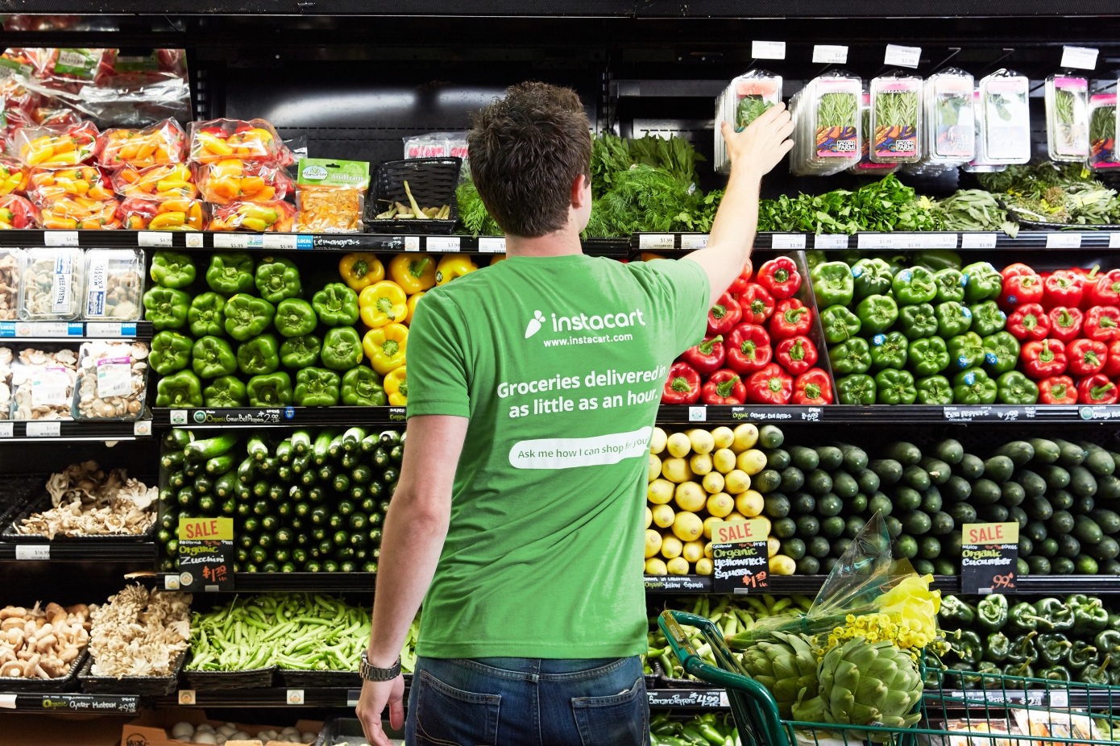

Contents:

Population Flow
Consistency Checks
Wrangling Steps
Column Derivations
Visualizations
Recommendations

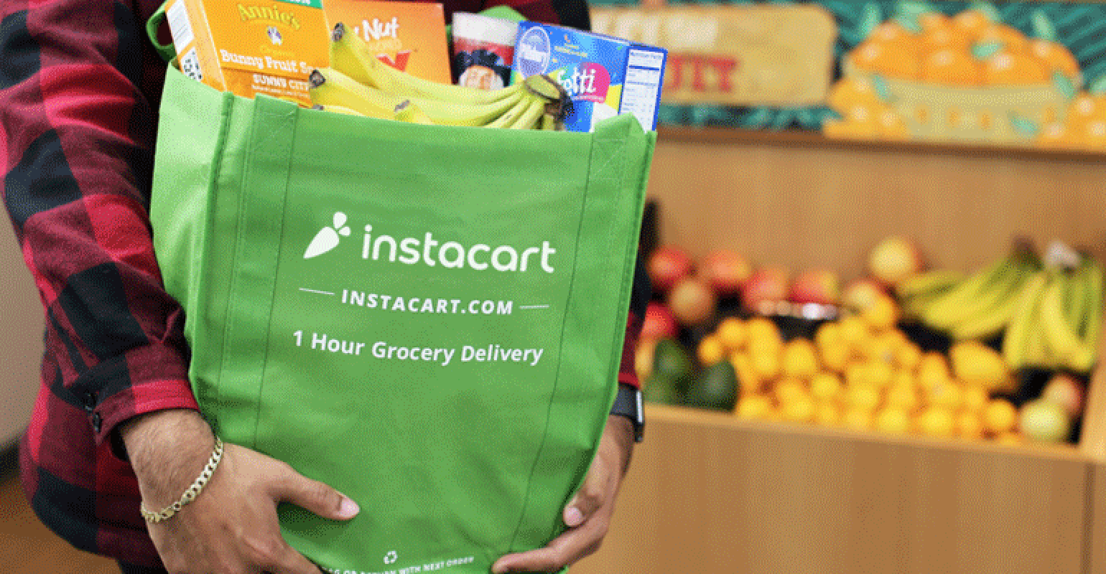

Data Source & Citations:

"The Instacart Online Grocery Shopping Dataset 2017"
Customer Dataset
Data Dictionary

Citation: “The Instacart Online Grocery Shopping Dataset 2017"

Accessed from https://www.instacart.com/datasets/grocery-shopping-2017 on <2022-2023>

2. Population Flow
Population Flow

Exclusion Flag
Condition: max_order < 5
Obervations to be removed: Cusomer's PII Info
2 Columns: (First name, Last name) 1,440,295 removals
Final total count of order_products_all: 30,964,564

Orders_products_combined
Orders_products_merged
Ic_final_official
Total: 32,404,859
Total: 32,434,489
Total: 30,964,564

1.) The grey boxes in the first row of the population flow represent the original data sets as they were when you downloaded them. In the Total fields you need to add the count of the rows when you imported the data set into Jupyter.
2.) The second row of boxes (coloured) represents the data sets after you manipulated them, e.g., removed missing values and duplicates. In the Total fields you need to add the count of the rows after conducting these operations. This offers a visual oveview of how the data flows throughout the data consistency checks.
3.) The third row, where also the arrows are coloured, represents the merges you performed between the datasets. In the Total fields you need to add the count of the rows in the merged datasets, so that you end up with the final dataset (in the red box). Keep in mind the final dataset should be without exclusions (based on the exclusion flag).

4. Wrangling steps
 |  |  |  | Title page
Wrangling steps

Columns dropped | Columns renamed | Columns' type changed | Comment/Reason
['eval_set'] |  |  | Dropped whole column, info was not relevant. This column contains system information that acts as a label for the entire data set. It has one value—prior—which indicates that this was the prior data set released by Instacart.
 | rename 'order_dow' to 'orders_day_of_week' |  | More user friendly, and match the format with other columns in the dataset. DOW is not the most self-explanatory, especially for other stakeholders that might need access to the data.
 |  | order_id' | Changed from 'int' to 'str'. Never be a need to calculate statistics for the "order_id" and "user_id" columns—they don’t represent real numeric values, rather, keys related to specific orders and users
 |  | user_id' | Change from 'int' to 'str'. Never be a need to calculate statistics for the "order_id" and "user_id" columns—they don’t represent real numeric values, rather, keys related to specific orders and users
 | 'Gender' |  | Rename Gender > gender
 | 'STATE' |  | Rename STATE > state
 | 'AGE' |  | Rename AGE > age
 | n_dependants' |  | Rename n_dependants > number_dependents
['First name'] |  |  | To protect customer's privacy
['Last Name'] |  |  | To protect customer's privacy
 | Unnamed:0' |  | Rename Unname:0 > Department_id

5. Column derivations
 |  |  |  | Title page

Column derivations and aggregations

In this tab you should add tables below that the frequences of flags/label variables that you produced after deriving them. NB: don't do this for continuous variables, only for flags.
Dataset | New column | Column/s it was derived from | Conditions
orders_products_merged.pkl | price-_range | prices | 'Low-range product' = <=5 'Mid-range product' >5 & <=15 'High-range' > 15 in $
orders_products_merged.pkl | busiest_day | orders_day_of_week | 'Busiest day' = 0 'Regularly busy' = else. 'Least busy' = 4
orders_products_merged.pkl | busiest_days | orders_day_of_week | 'two busiest days' = 0,1 'two slowest days' = 3,4 else: 'Regularly busy days'
orders_products_merged.pkl | busiest_period_of_day | order_hour_of_day | 'Most orders' = >=9 & <=17 'Fewest Orders' = <=6 else: 'Average Orders'
orders_products_merged_aggregated.pkl | loyalty_flag | Grouped by 'user_id' + aggregated Max values from order_number | 'Loyal customer' = >40 'Regular customer' = <=40 & >10 'New customer' = <=10
orders_products_merged_aggregated.pkl | spending_flag | Grouped by 'user_id' + aggregated Max values of prices | 'Low spender' = <10 'High spender' = >=10
orders_products_merged_update.pkl | order_freq_flag | Grouped by 'user_id' + aggregated by media of days_since_prior_order | 'Non-frequent custm' = >20 'Regular customer' = >10 & <=20 'Frequent custm' = <=10
orders_products_merged_3.pkl | updated merged dfs before customers | Grouped by orders_products_departments | 'Orders' 'Products' 'Departments'
df_ic_combined.pkl | region | state | 'Northeast' : 'Maine', 'New Hampshire', 'Vermont', 'Massachusetts', 'Rhode Island', 'Connecticut', 'New York', 'Pennsylvania', 'New Jersey 'Midwest' : 'Wisconsin', 'Michigan', 'Illinois', 'Indiana', 'Ohio', 'North Dakota', 'South Dakota', 'Nebraska', 'Kansas', 'Minnesota', 'Iowa', 'Missouri' 'South' : 'Delaware', 'Maryland', 'District of Columbia', 'Virginia', 'West Virginia', 'North Carolina', 'South Carolina', 'Georgia', 'Florida', 'Kentucky', 'Tennessee', 'Mississippi', 'Alabama', 'Oklahoma', 'Texas', 'Arkansas', 'Louisiana' 'West' : 'Idaho', 'Montana', 'Wyoming', 'Nevada', 'Utah', 'Colorado', 'Arizona', 'New Mexico', 'Alaska', 'Washington', 'Oregon', 'California', 'Hawaii'
df_active_cus.pkl | exclusion flag | Max_order | if Max_order <5 = 'Low-activity' else 'High-activity'
df_ic_active.pkl | profile | Columns: age, income, department_id, number_dependents, family_status & order_hour_of_day

6. Visualizations
Visualisations
Visualizations

In this tab you should include all the visualtions from Exercises 4.9 and 4.10, alongside the questions from the project brief that they answer. Include any commentary on the relationship between different variables.
In this tab you should include all the visualtions from Exercises 4.9 and 4.10, alongside the questions from the project brief that they answer. Include any commentary on the relationship between different variables.

The sales team needs to know what the busiest days of the week and hours of the day are.

Day of the Week

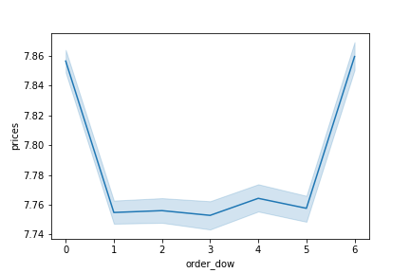
 |  |  |  |  |  |  | Spending Habits by Day of Week


Time of Order

Observation:
Saturday, Sunday & Friday (weekends 0,1 & 6) are the busiest days of the week.
10:00 am - 3:00 pm are the busiest time of day for placing orders.
Scheduling Ads on the days that there are fewer orders like Tuesday and Wednesday will bring more traffic to the website.

The sales team also wants to know whether there are particular times of the day when people spend the most money as this might inform the type of products they advertise at these times.

 |  |  |  | Time of Order

Observations:
High frequency orders with low expenditure are placed between 9:00 am - 5:00 pm.
Low frequency orders with high expenditure are placed between 6:00 am - 8:00 am.

 |  |  |  | Spending Habits by Time of Day


Instacart has a lot of products with different price tags. Marketing and sales want to use simpler price range groupings to help direct their efforts.

 |  | Price Range Distribution

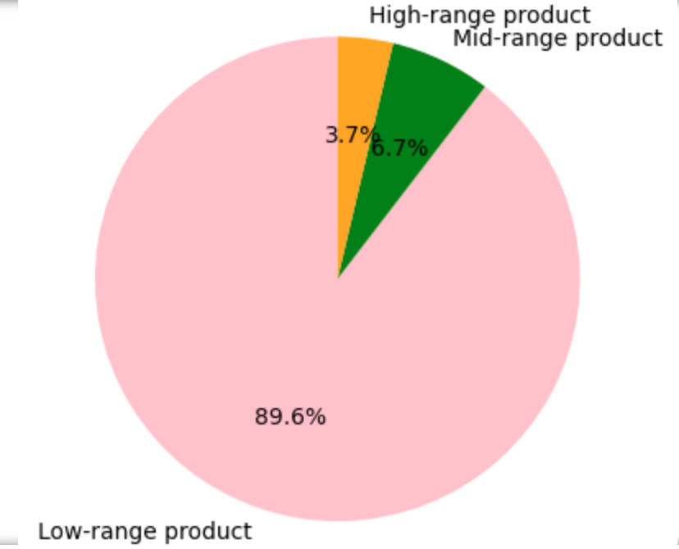

Observations:
Products were categorized into 3 different price groups: Low-range, Mid-range & High-range.
Low-range products have the largest proportion.

The marketing and sales teams want to know which departments have the highest frequency of product orders

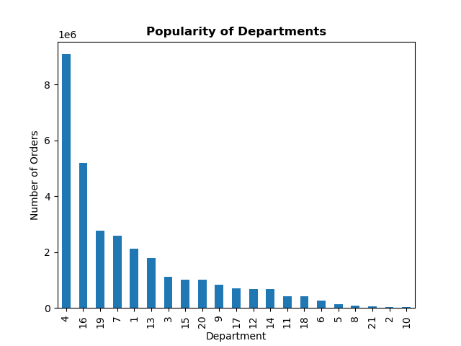

 |  |  |  |  |  |  |  | Department_id | Department
 |  |  |  |  |  |  |  | 1 | Frozen
 |  |  |  |  |  |  |  | 2 | Other
 |  |  |  |  |  |  |  | 3 | Bakery
 |  |  |  |  |  |  |  | 4 | Produce
 |  |  |  |  |  |  |  | 5 | Alcohol
 |  |  |  |  |  |  |  | 6 | International
 |  |  |  |  |  |  |  | 7 | Beverages
 |  |  |  |  |  |  |  | 8 | Pets
 |  |  |  |  |  |  |  | 9 | Dry goods, pasta
 |  |  |  |  |  |  |  | 10 | Bulk
 |  |  |  |  |  |  |  | 11 | Personal Care
 |  |  |  |  |  |  |  | 12 | Meat-Seafood
 |  |  |  |  |  |  |  | 13 | Pantry
 |  |  |  |  |  |  |  | 14 | Breakfast
 |  |  |  |  |  |  |  | 15 | Canned goods
 |  |  |  |  |  |  |  | 16 | Dairy Eggs
 |  |  |  |  |  |  |  | 17 | Household
 |  |  |  |  |  |  |  | 18 | Babies
 |  |  |  |  |  |  |  | 19 | Snacks
 |  |  |  |  |  |  |  | 20 | Deli
 |  |  |  |  |  |  |  | 21 | Missing

Observations:
Instacart's most popular categories include
Produce(4), Dairy & Eggs (16), Snacks (19) & Beverages (7)

 | Are there differences in ordering habits based on a customer’s loyalty status ?

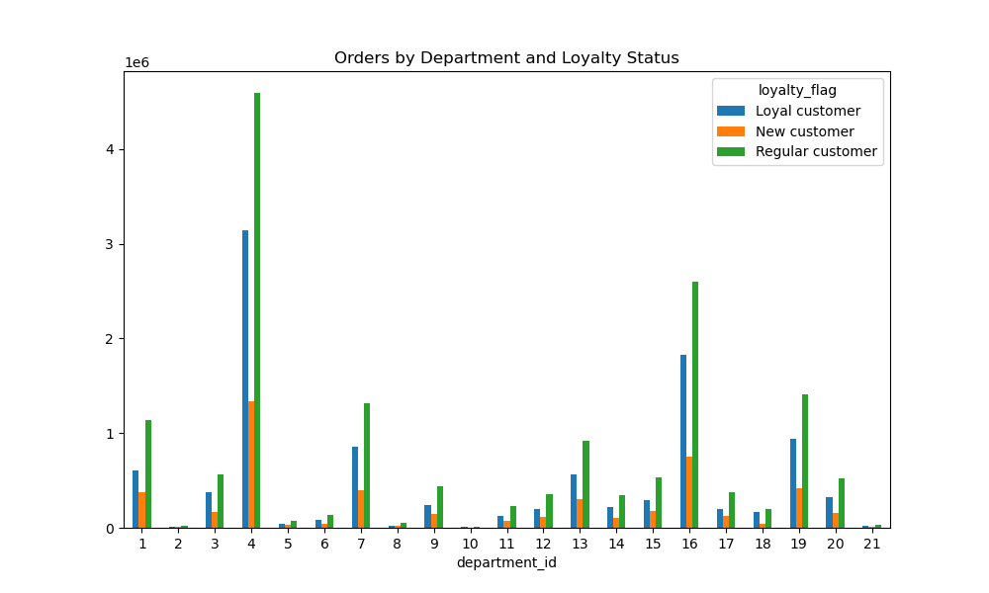
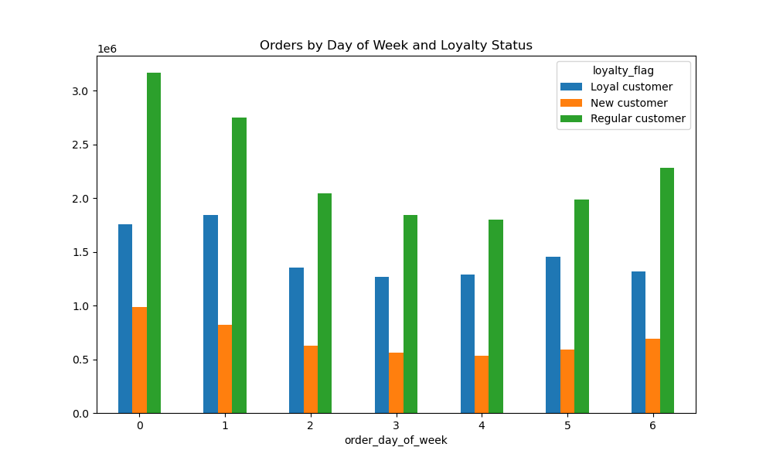
 |  |  |  |  | Id | Department
 |  |  |  |  | 1 | Frozen
 |  |  |  |  | 2 | Other
 |  |  |  |  | 3 | Bakery
 |  |  |  |  | 4 | Produce
 |  |  |  |  | 5 | Alcohol
 |  |  |  |  | 6 | International
 |  |  |  |  | 7 | Beverages
 |  |  |  |  | 8 | Pets
 |  |  |  |  | 9 | Dry goods, pasta
 |  |  |  |  | 10 | Bulk
 |  |  |  |  | 11 | Personal Care
 |  |  |  |  | 12 | Meat-Seafood
 |  |  |  |  | 13 | Pantry
 |  |  |  |  | 14 | Breakfast
 |  |  |  |  | 15 | Canned goods
 |  |  |  |  | 16 | Dairy Eggs
Observations:
The highest count of Loyal customers is observed on day 1 (Monday). This suggests that Mondays attract a significant number of customers who consistently show loyalty to the business.
New customers are relatively evenly distributed throughout the week, with the highest count on day 0 (Sunday).
Regular customers show the highest count on day 6 (Saturday). This indicates that Saturdays tend to have a larger number of customers who shop regularly but may not have a strong loyalty status.
Overall, different days of the week attract varying customer behaviors, with some days being more popular among loyal customers while others have higher counts of new or regular customers.
 |  |  |  |  | 17 | Household
 |  |  |  |  | 18 | Babies
 |  |  |  |  | 19 | Snacks
 |  |  |  |  | 20 | Deli
Observations:
Regular customers order the most items per department
with the majority of items coming from Produce, then Dairy & Eggs and finally Snacks.
 |  |  |  |  | 21 | Missing

Are there differences in ordering habits based on a customer’s region ?

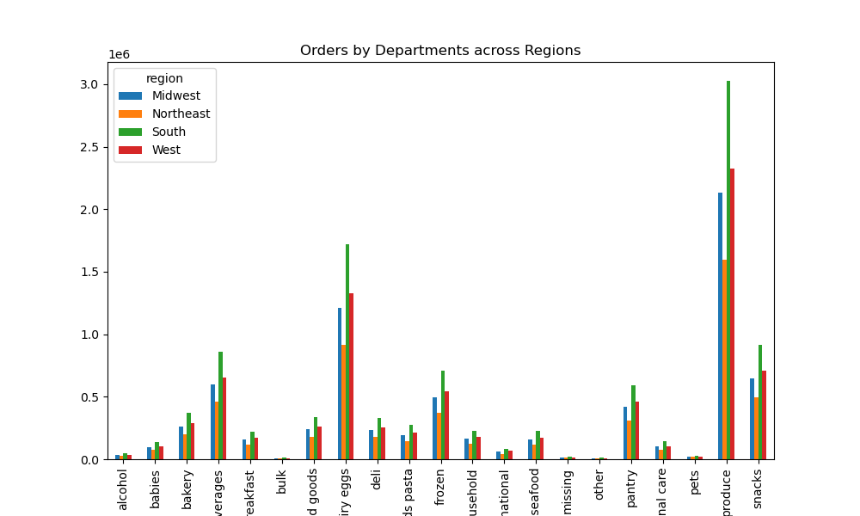

Observations:
The department with the highest sales varies across regions. For example, in the Midwest region, the highest sales are in the "personal care" department, while in the Northeast region, it is the "dairy eggs" department.
The "produce" department consistently shows high sales figures across all regions.
The Midwest and West regions generally have lower sales figures compared to the Northeast and South regions, except for a few departments like "alcohol" and "bakery" where the Midwest region has higher sales.

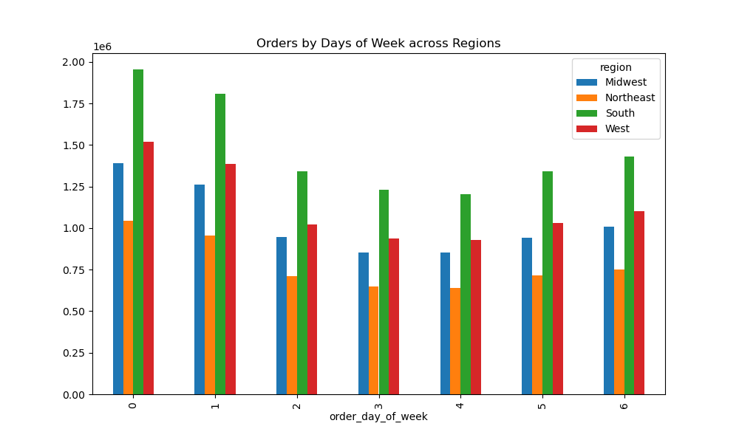

Observations:
Weekends (Saturdays and Sundays) tend to have higher order counts in all regions, indicating that customers are more likely to place orders during their leisure time.
Tuesdays and Thursdays consistently have lower order counts across all regions, suggesting that these days might be less popular for making purchases.

Is there a connection between age and family status?

 |  |  | Age and Family Status Connection
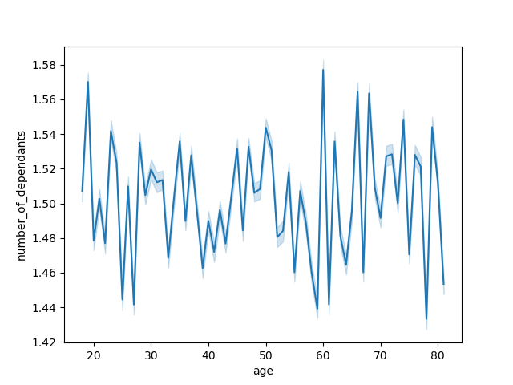

Observations:
This chart shows the age of Instacart customers and the corresponding number of dependents that they have.
The line chart shows that there is not really a clear trend between age and dependants for adults who are over 18.

What different classifications does the demographic information suggest?

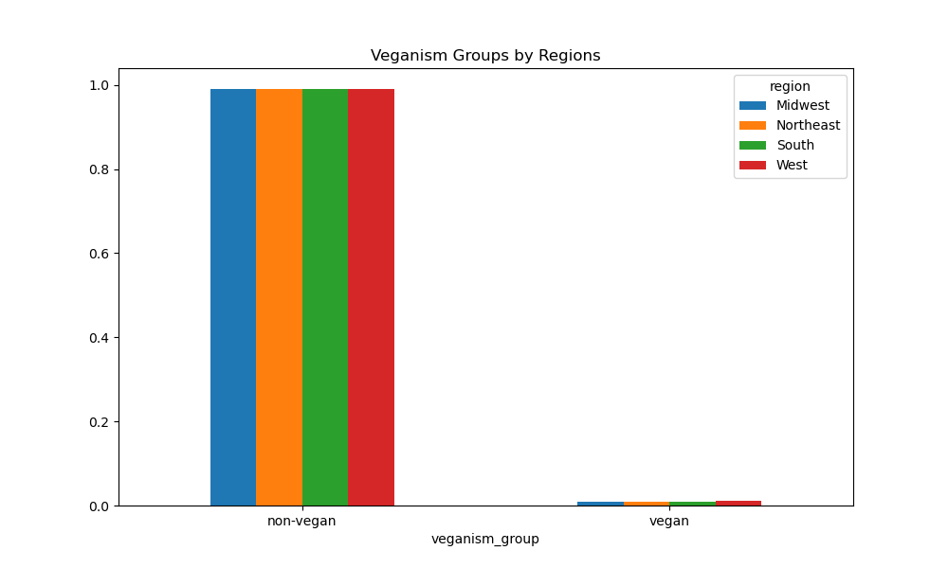

Observation:
Tare very small differences in the distribution of 'veganism_group' across the four regions.
In all four regions, the vast majority of individuals (around 99%) are in the 'non-vegan' group, while only a small proportion (around 1%) are in the 'vegan' group.

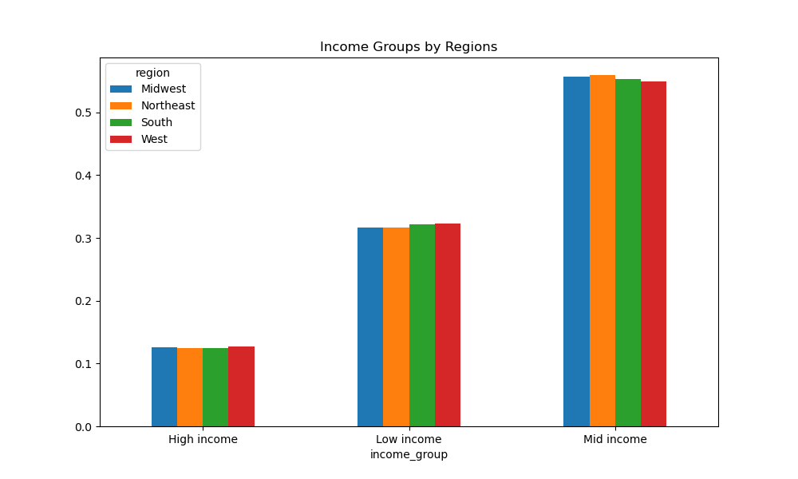

Observation:
There are some relatively small differences in the distribution of income groups across the four regions.
For example, the column proportion for the three income groups are all within a few points of each other across all four regions.

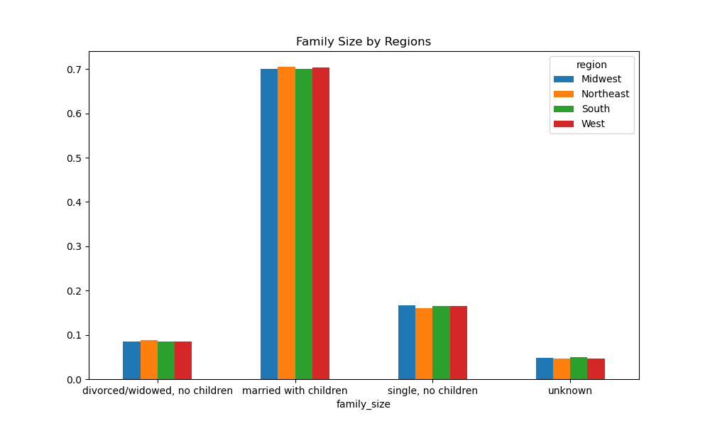

Observation:
There are not substantial differences in the distribution of family sizes across the four regions in terms of the proportion of individuals who are married with children.
Tproportion of individuals in the 'single, no children' category is a little bit higher in the Midwest compared to other regions.
The proportion of individuals in the 'divorced/widowed, no children' category is also slightly higher in the Northeast compared to the other regions.

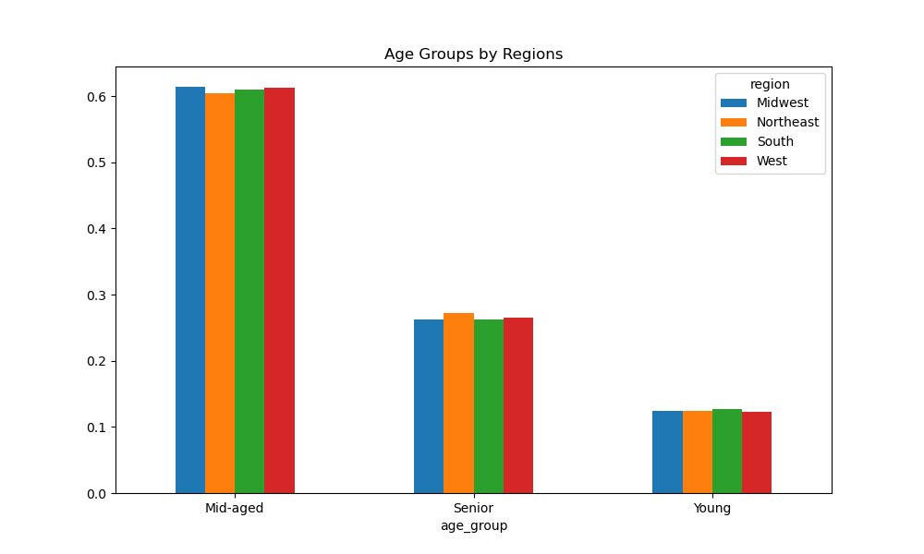

Observation:
There are some differences in the distribution of age groups across the four regions, but the differences are relatively small.
For example, the column proportion for the three age groups are all within a few points of each other across all four regions.

What differences can you find in ordering habits of different customer profiles?

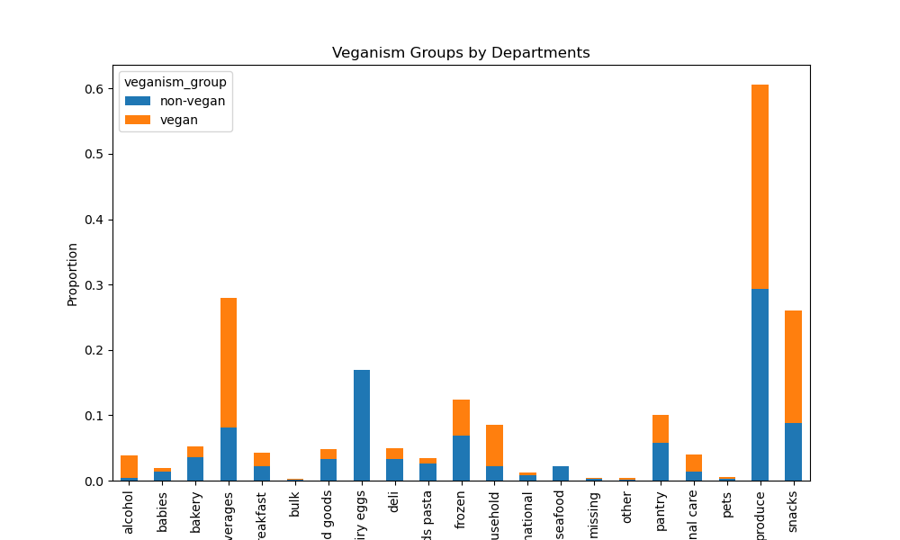

Observation:
The department buying behavior is quite different between the two veganism groups.
For non-vegan group, the most commonly bought departments are produce, dairy eggs, canned goods, and bakery.
For vegan group, the most commonly bought departments are frozen, produce, snacks, and international.

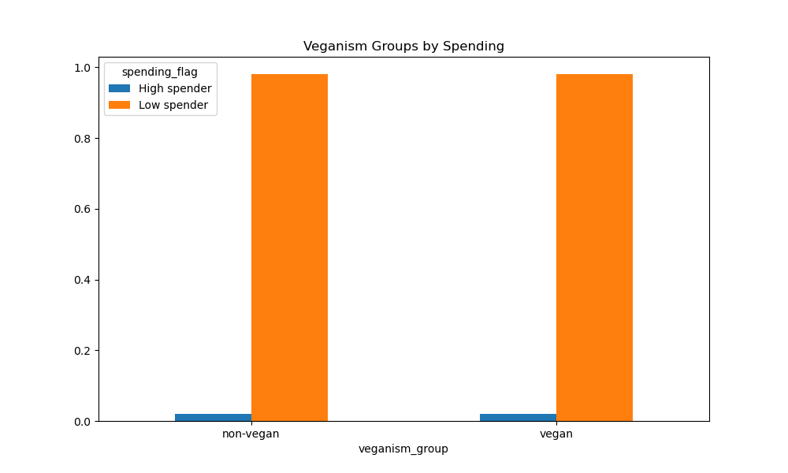

Observation:
The proportion of high spenders to low spenders is very similar between non-vegan and veganism groups.
Both groups have a higher proportion of low spenders (around 98%) compared to high spenders (around 2%)

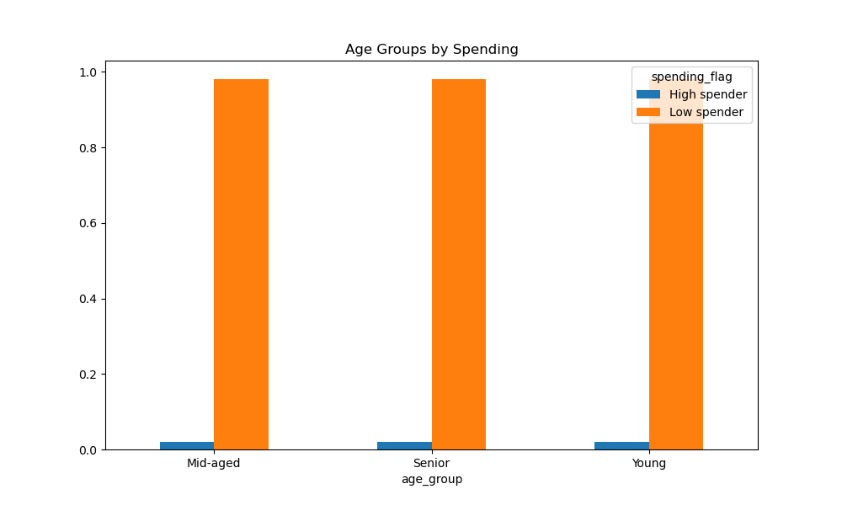

Observation:
There is no significant difference in spending habits between age groups.
The proportion of high spenders and low spenders is very similar across all three groups. Overall, the customers tend to be low spenders.

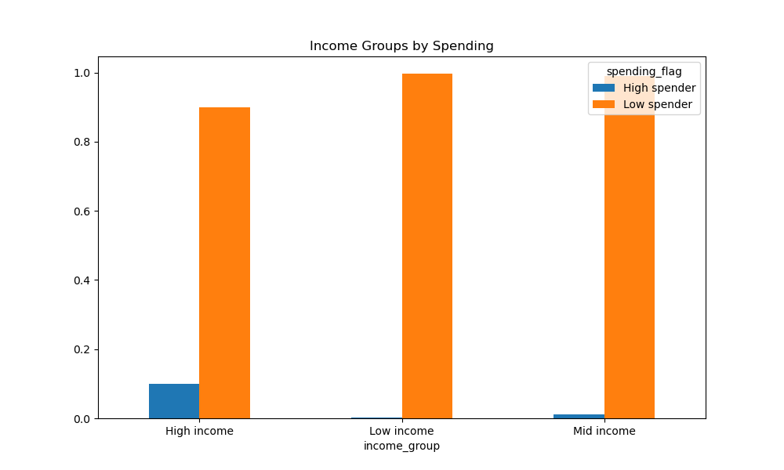

Observations:
A much higher proportion of customers in the high-income group are classified as "High spender" (compared to customers in the low-income group (and mid-income group.
Conversely, a much higher proportion of customers in the low-income group are classified as "Low spender" compared to customers in the high-income group and mid-income group.
These results suggest that there is a strong correlation between a customer's income level and their spending behavior. Customers with high incomes are more likely to spend more money on their purchases compared to customers with low incomes or mid-incomes.

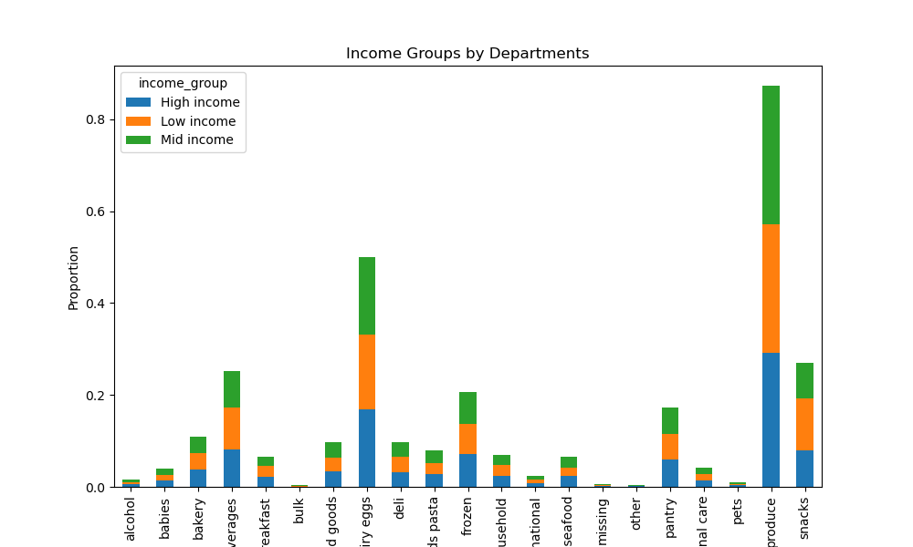

Observations:
It appears that "produce" was the most frequently purchased department across all three income groups, followed by dairy eggs.
There are not much differences on department preferences among 3 income groups.



Observations:
Produce is the most popular department among all age groups.
There are not much differences between age groups in terms of their ordering habits. Therefore, the company can continue to offer similar products across departments, and age group segmentation may not be an effective strategy to optimize sales.

7. Recommendations
Visualisations
Recommendations

In this tab you should include all the visualtions from Exercises 4.9 and 4.10, alongside the questions from the project brief that they answer. Include any commentary on the relationship between different variables.
In this tab you should include any recommendations you would made to Instcart in terms of their marketing strategy based on the questions posed in the brief. Every key question has been covered in the Tasks of the Exercises - here you need to add an item - a visualisation or table/crosstable that is showing the answer in the data, acompanied by a comment from you. Please, list the questions below and add the answer underneath.

The sales team needs to know what the busiest days of the week and hours of the day are.

Day of the Week
 |  |  |  |  |  |  | Spending Habits by Day of Week

Observations:
Saturday, Sunday & Friday (weekends 0,1 & 6) are the busiest days of the week.
10:00 am - 3:00 pm are the busiest time of day for placing orders.
Scheduling Ads on the days that there are fewer orders like Tuesday and Wednesday will bring more traffic to the website.
Time of Order

Recommendations:
Scheduling Ads on the days that there are fewer orders like Tuesday and Wednesday will bring more traffic to the website.

The sales team also wants to know whether there are particular times of the day when people spend the most money as this might inform the type of products they advertise at these times.

 |  |  |  | Time of Order

Observations:
High frequency orders with low expenditure are placed between 9:00 am - 5:00 pm.
Low frequency orders with high expenditure are placed between 6:00 am - 8:00 am.

Recommendations:
The marketing team can optimize their advertising campaigns by aligning them with the peak hours of order placement. By running ads during 9:00 am - 5:00 pm, they can reach the audience when they are most likely to make purchases.
Low frequency orders with high expenditure are placed between 6:00 am - 8:00 am. They can promote higher-priced or complementary products to customers who are likely to spend more. This could help increase the average order value and overall revenue.

 |  |  |  | Spending Habits by Time of Day

Instacart has a lot of products with different price tags. Marketing and sales want to use simpler price range groupings to help direct their efforts.

 |  | Price Range Distribution

Observations:
Products were categorized into 3 different price groups: Low-range, Mid-range & High-range.
Low-range products have the largest proportion.

The marketing and sales teams want to know which departments have the highest frequency of product orders

 |  |  |  |  |  |  |  | Department_id | Department
 |  |  |  |  |  |  |  | 1 | Frozen
 |  |  |  |  |  |  |  | 2 | Other
 |  |  |  |  |  |  |  | 3 | Bakery
 |  |  |  |  |  |  |  | 4 | Produce
 |  |  |  |  |  |  |  | 5 | Alcohol
 |  |  |  |  |  |  |  | 6 | International
 |  |  |  |  |  |  |  | 7 | Beverages
 |  |  |  |  |  |  |  | 8 | Pets
 |  |  |  |  |  |  |  | 9 | Dry goods, pasta
 |  |  |  |  |  |  |  | 10 | Bulk
 |  |  |  |  |  |  |  | 11 | Personal Care
 |  |  |  |  |  |  |  | 12 | Meat-Seafood
 |  |  |  |  |  |  |  | 13 | Pantry
 |  |  |  |  |  |  |  | 14 | Breakfast
 |  |  |  |  |  |  |  | 15 | Canned goods
 |  |  |  |  |  |  |  | 16 | Dairy Eggs
 |  |  |  |  |  |  |  | 17 | Household
 |  |  |  |  |  |  |  | 18 | Babies
 |  |  |  |  |  |  |  | 19 | Snacks
 |  |  |  |  |  |  |  | 20 | Deli
 |  |  |  |  |  |  |  | 21 | Missing

Observations:
Instacart's most popular categories include
Produce(4), Dairy & Eggs (16), Snacks (19) & Beverages (7)
Recommendations:
The marketing team can focus their promotional campaigns on the most popular categories, such as Produce, Dairy & Eggs, Snacks, and Beverages. They can create targeted promotions, discounts, or special offers specifically for these departments to attract more customers and increase sales.

 | Are there differences in ordering habits based on a customer’s loyalty status ?

 |  |  |  |  | Id | Department
 |  |  |  |  | 1 | Frozen
 |  |  |  |  | 2 | Other
 |  |  |  |  | 3 | Bakery
 |  |  |  |  | 4 | Produce
 |  |  |  |  | 5 | Alcohol
 |  |  |  |  | 6 | International
 |  |  |  |  | 7 | Beverages
 |  |  |  |  | 8 | Pets
 |  |  |  |  | 9 | Dry goods, pasta
 |  |  |  |  | 10 | Bulk
 |  |  |  |  | 11 | Personal Care
 |  |  |  |  | 12 | Meat-Seafood
 |  |  |  |  | 13 | Pantry
 |  |  |  |  | 14 | Breakfast
 |  |  |  |  | 15 | Canned goods
 |  |  |  |  | 16 | Dairy Eggs
 |  |  |  |  | 17 | Household
Observations:
The highest count of Loyal customers is observed on day 1 (Monday). This suggests that Mondays attract a significant number of customers who consistently show loyalty to the business.
New customers are relatively evenly distributed throughout the week, with the highest count on day 0 (Sunday).
Regular customers show the highest count on day 6 (Saturday). This indicates that Saturdays tend to have a larger number of customers who shop regularly but may not have a strong loyalty status.
 |  |  |  |  | 18 | Babies
 |  |  |  |  | 19 | Snacks
 |  |  |  |  | 20 | Deli
Observations:
Regular customers order the most items per department
with the majority of items coming from Produce, then Dairy & Eggs and finally Snacks.
 |  |  |  |  | 21 | Missing

Recommendations:
Since regular customers are ordering the most items per department, it is important for the marketing team to focus on retaining these customers.
Recommendations:
Overall, different days of the week attract varying customer behaviors, with some days being more popular among loyal customers while others have higher counts of new or regular customers. This information can be valuable for the team to plan their marketing and promotional strategies tailored to different customer segments on specific days of the week.

Are there differences in ordering habits based on a customer’s region ?

Observations:
The department with the highest sales varies across regions. For example, in the Midwest region, the highest sales are in the "personal care" department, while in the Northeast region, it is the "dairy eggs" department.
The "produce" department consistently shows high sales figures across all regions.
The Midwest and West regions generally have lower sales figures compared to the Northeast and South regions, except for a few departments like "alcohol" and "bakery" where the Midwest region has higher sales.

Recommendations:
The consistent high sales figures in the "produce" department across all regions indicate its popularity among customers. The marketing team can prioritize and optimize their product assortment in this department to meet the demand and ensure a wide variety of fresh and high-quality produce options.
Midwest and West regions generally have lower sales figures compared to the Northeast and South regions, the marketing team can develop targeted sales strategies to boost sales in these regions

Observations:
Weekends (Saturdays and Sundays) tend to have higher order counts in all regions, indicating that customers are more likely to place orders during their leisure time.
Tuesdays and Thursdays consistently have lower order counts across all regions, suggesting that these days might be less popular for making purchases.

Recommendations:
Since weekends tend to have higher order counts in all regions, it presents an opportunity for the marketing team to plan and execute promotional activities specifically targeted towards weekends.
Tuesdays and Thursdays consistently have lower order counts across all regions, the marketing team can implement targeted marketing campaigns to encourage weekday sales.

Is there a connection between age and family status?

 |  |  | Age and Family Status Connection

Observations:
This chart shows the age of Instacart customers and the corresponding number of dependents that they have.
The line chart shows that there is not really a clear trend between age and dependants for adults who are over 18.

Recommendations:
With no distinct pattern between age and dependents, the marketing team can consider designing promotions and discounts that tailor to customers' individual needs and preferences rather than mainly relying on age and family status.

What different classifications does the demographic information suggest?

Observation:
Tare very small differences in the distribution of 'veganism_group' across the four regions.
In all four regions, the vast majority of individuals (around 99%) are in the 'non-vegan' group, while only a small proportion (around 1%) are in the 'vegan' group.

Recommendations:
The marketing team can develop marketing campaigns, product offerings, and promotions that specifically target non-vegan customers.
They can also promote more campaigns to attract and retain vegan customers.

Observation:
There are some relatively small differences in the distribution of income groups across the four regions.
For example, the column proportion for the three income groups are all within a few points of each other across all four regions.

Recommendations:
Since the distribution of income groups is similar across regions, the marketing team can adopt consistent pricing strategies for their products or services across all regions.

Observation:
There are not substantial differences in the distribution of family sizes across the four regions in terms of the proportion of individuals who are married with children.
Tproportion of individuals in the 'single, no children' category is a little bit higher in the Midwest compared to other regions.
The proportion of individuals in the 'divorced/widowed, no children' category is also slightly higher in the Northeast compared to the other regions.

Recommendations:
Since the overall distribution of family sizes is similar across regions, the marketing team can develop marketing campaigns that target individuals or households based on common needs and preferences related to family dynamics.

Observation:
There are some differences in the distribution of age groups across the four regions, but the differences are relatively small.
For example, the column proportion for the three age groups are all within a few points of each other across all four regions.

Recommendations:
While the differences in the distribution of age groups are small, the marketing team can still develop targeted marketing campaigns that consider the preferences and characteristics of specific age group.

What differences can you find in ordering habits of different customer profiles?

Observation:
The department buying behavior is quite different between the two veganism groups.
For non-vegan group, the most commonly bought departments are produce, dairy eggs, canned goods, and bakery.
For vegan group, the most commonly bought departments are frozen, produce, snacks, and international.

Recommendations:
The marketing team can provide personalized product recommendations to customers based on their veganism group. For non-vegan customers, the focus can be on promoting and highlighting products from the produce, dairy eggs, canned goods, and bakery departments.
For vegan customers, the emphasis can be on products from the frozen, produce, snacks, and international departments.

Observation:
The proportion of high spenders to low spenders is very similar between non-vegan and veganism groups.
Both groups have a higher proportion of low spenders (around 98%) compared to high spenders (around 2%)

Recommendations:
Since both groups have a higher proportion of low spenders, the marketing team can focus on offering competitive pricing and attractive promotions to appeal to this majority.

Observation:
There is no significant difference in spending habits between age groups.
The proportion of high spenders and low spenders is very similar across all three groups. Overall, the customers tend to be low spenders.

Recommendations:
Since there is no distinct variation in spending habits based on age groups, the marketing team can focus on developing marketing campaigns that target all age segments equally.

Observations:
A much higher proportion of customers in the high-income group are classified as "High spender" (compared to customers in the low-income group (and mid-income group.
Conversely, a much higher proportion of customers in the low-income group are classified as "Low spender" compared to customers in the high-income group and mid-income group.
These results suggest that there is a strong correlation between a customer's income level and their spending behavior. Customers with high incomes are more likely to spend more money on their purchases compared to customers with low incomes or mid-incomes.

Recommendations:
Since there is a correlation between income level and spending behavior, the marketing team can tailor their campaigns to target customers based on their income segments.
For high-income customers, the team can focus on highlighting premium products.
For low-income customers, the team can emphasize on affordable and cost-saving products.
For mid-income customers, a balanced approach that offers a combination of quality and affordability can be effective.

Observations:
It appears that "produce" was the most frequently purchased department across all three income groups, followed by dairy eggs.
There are not much differences on department preferences among 3 income groups.

Recommendations:
Since "produce" and "dairy eggs" are the top departments across all income groups, it is important for the marketing team to ensure an ample supply of fresh produce and dairy products

Observations:
Produce is the most popular department among all age groups.
There are not much differences between age groups in terms of their ordering habits. Therefore, the company can continue to offer similar products across departments, and age group segmentation may not be an effective strategy to optimize sales.

Recommendations:
Since "produce" is the most popular department among all age groups, the marketing team can prioritize and allocate resources to ensure a wide variety of fresh and high-quality produce is available to customers.
Since there are not significant differences between age groups in their ordering habits, the company can continue to offer a similar range of products across departments without the need for age group-specific segmentation.

